Display
Circle of Perfect Squares

 | Solution # |  |  | 1 |  | Choose solution 1–31

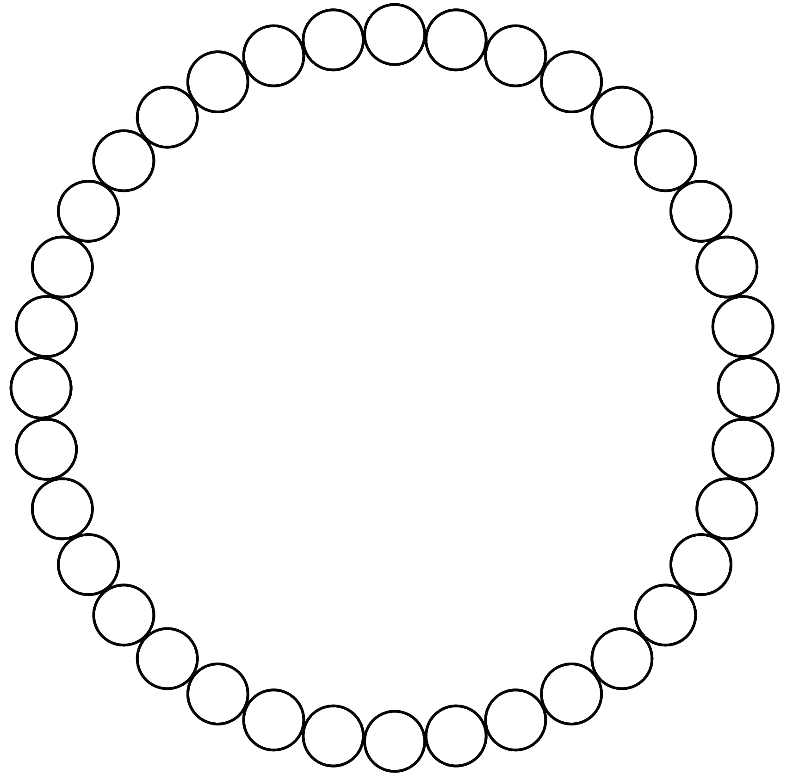

 |  |  |  |  |  |  |  |  | 35 | 1 | 3
 |  |  |  |  |  |  |  | 14 |  |  |  | 6
 |  |  |  |  |  |  | 22 |  |  |  |  |  | 19

 |  |  |  |  |  | 27 |  |  |  |  |  |  |  | 30

 |  |  |  |  | 9 |  |  |  |  |  |  |  |  |  | 34

 |  |  | 16 |  |  |  |  |  |  |  |  |  |  |  |  | 2

 |  | 33 |  |  |  |  |  |  |  |  |  |  |  |  |  |  | 23

 |  | 31 |  |  |  |  |  |  |  |  |  |  |  |  |  |  | 26

 | 18 |  |  |  |  |  |  |  |  |  |  |  |  |  |  |  |  | 10

 |  | 7 |  |  |  |  |  |  |  |  |  |  |  |  |  |  | 15

 |  | 29 |  |  |  |  |  |  |  |  |  |  |  |  |  |  | 21

 |  |  | 20 |  |  |  |  |  |  |  |  |  |  |  |  | 4

 |  |  |  |  | 5 |  |  |  |  |  |  |  |  |  | 32

 |  |  |  |  |  | 11 |  |  |  |  |  |  |  | 17

 |  |  |  |  |  |  | 25 |  |  |  |  |  | 8
 |  |  |  |  |  |  |  | 24 |  |  |  | 28
 |  |  |  |  |  |  |  |  | 12 | 13 | 36

